Overview
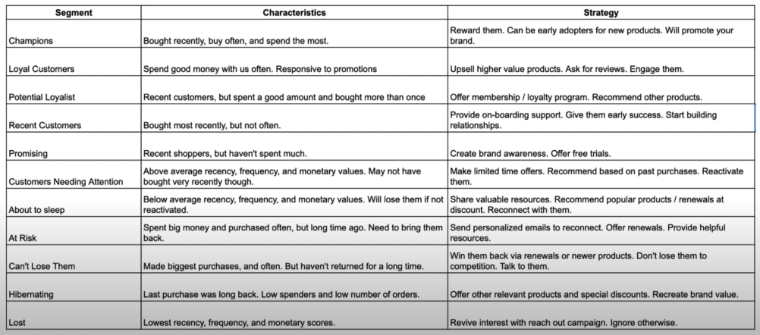
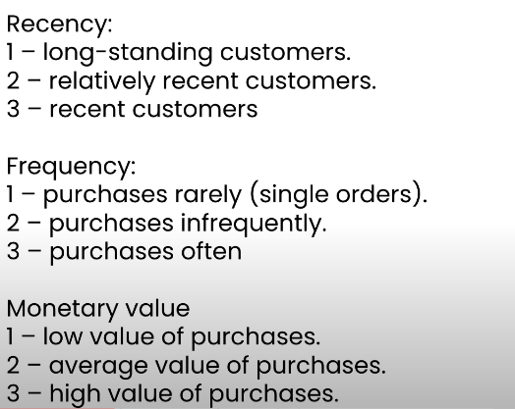
Strategi Marketing Sesuai Segmentasi Pelanggan (In English)

